NBC 2015 Roof Level Difference
Snow Load Accumulation v1.1 Roof Level Difference

 |  |  |  |  |  |  |  | Designer shall input project corresponding values in all blue cells. |  |  | ASIDE OPTIONS
 | Project Name: |  |  |  |  |  |  |  |  |  | ULS Is: | 0.80 | 1.00 | 1.15 | 1.25
 | Project Number: |  |  |  |  |  |  |  |  |  | y/n opts: | YES | NO
 | Designer: |  |  |  |  | NBC 2015 |  |  |  |  | Cw opts: | 1.00 | 0.75 | 0.50
 | Date:

1 | Climatic Data

 | Project Location: | Province: | ON
 |  | City/Town: | Barrie

 | Ss = | 2.5 | kPa |  | 1-in-50-year ground snow load |  | NBC2015 Appendix C
 | Sr = | 0.4 | kPa |  | 1-in-50-year associated rain load |  | NBC2015 Appendix C
 | g = | 3.3 | kN/m3 |  | Snow density |  | NBC 4.1.6.13

2 | Basic Snow Load |  |  |  |  |  |  | Importance Category | Importance Factor, Is
 |  |  |  |  |  |  |  |  | ULS | SLS
 | IS-ULS = | 1.15 |  |  | ULS Importance Factor |  | NBC - Table 4.1.6.2.-A | Low | 0.8 | 0.9
 | w = | 60 | m |  | Roof Plan Smaller Dim |  |  | Normal | 1 | 0.9
 | l = | 100 | m |  | Roof Plan Larger Dim |  |  | High | 1.15 | 0.9
 | lc*= | 84.0 |  |  | Characteristic Length (2w-w2/l) |  | NBC 4.1.6.2.2 | Post-disaster | 1.25 | 0.9
 | Is Roof "slippery"? | YES |  |  | i.e., Is the snow completely free to slide off the upper roof?
 | α = | 15 | deg |  | Roof Slope
 | Cw = | 1.00 |  |  | Wind Exposure Factor (1.0 typ) |  | NBC 4.1.6.2.3&.4

 | Cb = | 0.83 |  |  | Roof Snow Load Factor (0.8 typ) |  | NBC 4.1.6.2.2
 | Cs = | 1.00 |  |  | Slope Factor (1.0 typ) |  | NBC 4.1.6.2.5, 6 & 7
 | Ca = | 1.00 |  |  | Accumulation Factor (1.0 typ) |  | NBC 4.1.6.2.8
 | S basic (ULS) = | 2.84 | kPa |  | S = Is[Ss (CbCwCsCa) + Sr]

3 | Snow Drift Loads
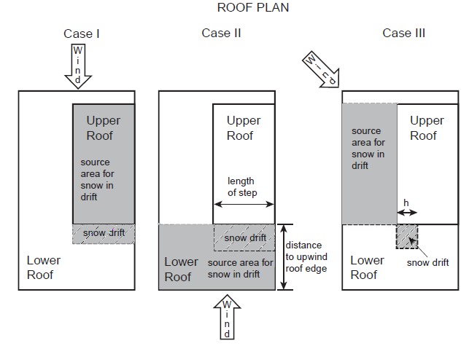

 | h = | 3 | m |  | Difference in Roof Heights
 | hmin = | 0.61 | m |  | Minimum Elevation Difference for Snow Piling
 |  |  | --- Drift Must Be Considered ---
 | Snow Load Case I: |  |  |  |  |  | NBC Fig 4.1.6.5-B
 | ws = | 20 | m |  | High Roof Plan Smaller Dim
 | ls = | 30 | m |  | High Roof Plan Larger Dim
 | lcH= | 26.7 |  |  | High roof characteristic length
 | β = | 1.00 |  |  |  |  | NBC Fig 4.1.6.5-B
 | hph = | 0.5 | m |  | Parapet Height of upper roof
 |  | Engineer of record shall ensure that all edges of source area have parapet, otherwise parapet height shall be entered as zero. |  |  |  |  | NBC 4.1.6.5. 3)

 | h'ph = | 0.00 | m |  |  |  | NBC 4.1.6.5. 3)
 | Cb Case1 = | 0.80 |  |  | High Roof Snow Load Factor
 | F = | 2.87 |  |  |  |  | NBC Fig 4.1.6.5-A
 | Ca(0) = | 3.59 |  |  |  |  | NBC Fig 4.1.6.5-A
 | S drifting (ULS) = | 8.71 | kPa (at x = 0 m)
 | xd = | 7.90 | m |  |  |  | NBC Fig 4.1.6.5-A
 | Snow Load Case II: |  |  |  |  |  | NBC Fig 4.1.6.5-B
 | ws = | 35 | m |  | Source Area Smaller Dim
 | ls = | 60 | m |  | Source Area Larger Dim
 | lc= | 49.6 |  |  | Case II characteristic length
 | β = | 0.67 |  |  |  |  | NBC Fig 4.1.6.5-B
 | hp = | 0.4 | m |  | Parapet Height of lower roof
 |  | Engineer of record shall ensure that all edges of source area have parapet, otherwise parapet height shall be entered as zero. |  |  |  |  | NBC 4.1.6.5. 3)

 | h'p = | 0.00 | m |  |  |  | NBC 4.1.6.5. 3)
 | Cb Case2 = | 0.80 |  |  | Source area 2 Snow Load Factor
 | F = | 2.69 |  |  |  |  | NBC Fig 4.1.6.5-A
 | Ca(0) = | 3.29 |  |  |  |  | NBC Fig 4.1.6.5-A
 | S drifting (ULS) = | 8.03 | kPa (at x = 0 m)
 | xd = | 7.00 | m |  |  |  | NBC Fig 4.1.6.5-A
 | Snow Load Case III: |  |  |  |  |  | NBC Fig 4.1.6.5-B
 | ws = | 20 | m |  | Source Area Smaller Dim
 | ls = | 30 | m |  | Source Area Larger Dim
 | lc= | 26.7 |  |  | Case III characteristic length
 | β = | 0.67 |  |  |  |  | NBC Fig 4.1.6.5-B
 | hp = | 0.4 | m |  | Parapet Height of lower roof
 |  | Engineer of record shall ensure that all edges of source area have parapet, otherwise parapet height shall be entered as zero. |  |  |  |  | NBC 4.1.6.5. 3)

 | h'p = | 0.00 | m |  |  |  | NBC 4.1.6.5. 3)
 | Cb Case3 = | 0.80 |  |  | Source area 3 Snow Load Factor
 | F = | 2.19 |  |  |  |  | NBC Fig 4.1.6.5-A
 | Ca(0) = | 2.73 |  |  |  |  | NBC Fig 4.1.6.5-A
 | S drifting (ULS) = | 6.74 | kPa (at x = 0 m)
 | xd = | 5.29 | m |  |  |  | NBC Fig 4.1.6.5-A

 | Maximum snow drift parameters:
 | Ca(0)MAX = | 3.59
 | S drifting (ULS) = | 8.71 | kPa (at x = 0 m)
 | xd = | 7.90 | m

4 | Snow Sliding Loads
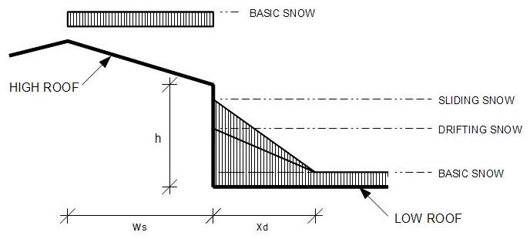

 | Is snow from upper roof prevented from sliding? | NO |  |  |  |  | NBC 4.1.6.11. 2)a

Percentage of high roof snow that slides: |  | 50% |  |  |  |  | NBC 4.1.6.11.3

 | Is Upper Roof "slippery"? | YES |  |  |  |  | NBC 4.1.6.11. 2)b
 | αHigh = | 10 | deg |  | High Roof Slope |  | NBC 4.1.6.11. 3)b
 | Consider Sliding effects? | YES
 | CbH = | 0.8 |  |  | High Roof Snow Load Factor
 | αLow = | 15 | deg |  | Low Roof Slope
 | Cs Low = | 1.00
 | S (ULS) = | 2.76 | kPa
 | ws = | 10 | m |  | Plan Dim of High Roof portion that slopes towards Low Roof
 | S sliding (ULS) = | 3.50 | kPa (at x = 0 m) |  | Total weight of additional snow resulting from sliding

5 | Snow Load Summary

 | Peak snow load (ULS) = | 12.20 | kPa (at x = 0 m)
 | Basic snow load (ULS) = | 2.84 | kPa (at xd > | 7.9 m)
 | xd = | 7.90 | m
 | h' = | 2.37 | m
 | 10h' = | 23.69 | m | 10h' from edge of high roof is not sheltered |  |  | NBC Fig 4.1.6.5-A

NBC 2015 Roof Obstruction
Snow Load Accumulation v1.1 Roof Obstruction

 |  |  |  |  |  |  | Designer shall input project corresponding values in all blue cells. |  |  | ASIDE OPTIONS
 | Project Name: |  |  |  |  |  |  |  |  | ULS Is: | 0.80 | 1.00 | 1.15 | 1.25
 | Project Number: |  |  |  |  |  |  |  |  | y/n opts: | YES | NO
 | Designer: |  |  |  | NBC 2015 |  |  |  |  | Cw opts: | 1.00 | 0.75 | 0.50
 | Date:

1 | Climatic Data

 | Project Location: | Province: | ON
 |  | City/Town: | Barrie

 | Ss = | 2.5 | kPa | 1-in-50-year ground snow load |  | NBC2015 Appendix C
 | Sr = | 0.4 | kPa | 1-in-50-year associated rain load |  | NBC2015 Appendix C
 | g = | 3.3 | kN/m3 | Snow density |  | NBC 4.1.6.13

2 | Building Data
 |  |  |  |  |  |  | Importance Category | Importance Factor, Is
 | IS-ULS = | 1.00 |  | ULS Importance Factor |  | NBC - Table 4.1.6.2.-A |  | ULS | SLS
 |  |  |  |  |  |  | Low | 0.8 | 0.9
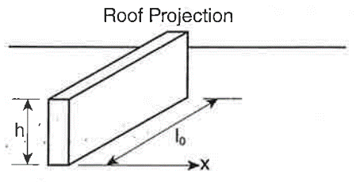
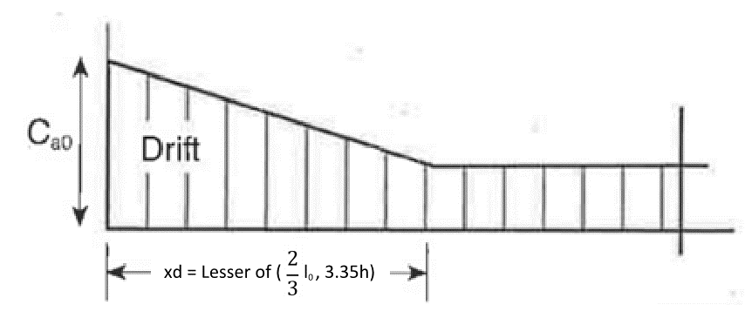
 |  |  |  |  |  |  | Normal | 1 | 0.9
 |  |  |  |  |  | NBC - Figure A-4.1.6.7.(1) | High | 1.15 | 0.9
 |  |  |  |  |  |  | Post-disaster | 1.25 | 0.9

 | Roof Projection:
 | h = | 3 | m | Height of Projection
 | l0 = | 5 | m | Length of Projection (obstructive if l0 ≥ 3m)
 |  |  |  |  |  | NBC 4.1.6.7.3

 | --- Effect of Obstruction on Snow Loading Cannot Be Ignored ---

 | Roof Data:
 | w = | 4.3 | m | Roof Plan Smaller Dim
 | l = | 8.6 | m | Roof Plan Larger Dim
 | lc*= | 6.4 | m | Characteristic Length (2w-w2/l) |  | NBC 4.1.6.2.2

 | Is Roof "slippery"? | NO
 | α = | 10 | deg | Roof Slope

3 | Snow Loads

 | Cb = | 0.80 |  | Roof Snow Load Factor (0.8 typ) |  | NBC 4.1.6.2.2
 | Cw = | 1.00 |  | Wind Exposure Factor (1.0 typ) |  | NBC 4.1.6.2.3&.4

 | Cs = | 1.00 |  | Slope Factor (1.0 typ) |  | NBC 4.1.6.2.5, 6 & 7
 | Ca = | 1.00 |  | Accumulation Factor (1.0 typ) |  | NBC 4.1.6.2.8
 | Ca(0) = | 2.09 |  | Accumulation Factor adjacent to obstruction |  | NBC 4.1.6.7
 | S basic (ULS) = | 2.40 | kPa | S = Is[Ss (CbCwCsCa) + Sr]

 | xd = | 3.33 | m |  |  | NBC 4.1.6.7

 | Final Roof Loads:
 | Maximum snow load (ULS) = | 4.58 | kPa (x = 0 m) |  |  | NBC 4.1.6.7 (3)
 | Basic snow load (ULS) = | 2.40 | kPa (xd = 3.33 m)

 | h' = | 2.39 | m
 |  | 23.89 | m | 10h' from edge of obstruction is not sheltered |  | NBC Fig 4.1.6.5-A

Validation
